Sheet1
DAY-3
Assignment-1 | Display EmployeeID, Employee FirstName and Number Of Orders each employee has placed.
 | Use Table : Employees and Orders

Creating Emplyees1 and Order Tables
 | CREATE TABLE Employees1 (
 | EmployeeId INT PRIMARY KEY,
 | FirstName VARCHAR(50),
 | LastName VARCHAR(50),
 | Department VARCHAR(50),
 | Salary DECIMAL(10,2)
 | );
Data Insertion | INSERT INTO Employees1 (EmployeeId,FirstName,LastName, Department, Salary)
 | VALUES
 | (1,'John','Doe','Sales',35000.00),
 | (2,'Jane','Doe','HR',25000.00),
 | (3,'Sam','Smith','Finance',45000.00),
 | (4,'Sara','Smith','Marketing',35000.00),
 | (5,'Anna','Black','Sales',45000.00),
 | (6,'Mike','Davis','Marketing',35000.00),
 | (7,'Anya','Brown','HR',30000.00),
 | (8,'Rob','Davis','Finance',50000.00),
 | (9,'Laura','Evans','Sales',35000.00);

Display Employeess1 table
 | SELECT * from Employees1;

Orders1 Table | CREATE TABLE Orders1 (
 | OrderId INT PRIMARY KEY,
 | EmployeeId INT,
 | OrderDate DATE,
 | TotalAmount DECIMAL(10,2),
 | NumberOfOrders INT,
 | FOREIGN KEY(EmployeeId) REFERENCES Employees1(EmployeeId));

Data Insertion | INSERT INTO Orders1 (OrderId, EmployeeId, OrderDate, TotalAmount, NumberOfOrders)
 | VALUES
 | (1,1,'2024-03-04',150.00,125),
 | (2,2,'2024-03-05',140.00,123),
 | (3,3,'2024-03-06',165.00,143),
 | (4,4,'2024-03-07',130.00,127),
 | (5,5,'2024-03-08',155.00,107),
 | (6,6,'2024-03-09',150.00,115),
 | (7,7,'2024-03-10',175.00,79),
 | (8,8,'2024-03-11',213.00,87),
 | (9,9,'2024-03-12',197.00,45);

Display Orders1 Table
 | Select * from Orders1;

Query | Select EmployeeId, FirstName, NumberOfOrders from Employees1 INNER JOIN Orders1 using(EmployeeId);

Output
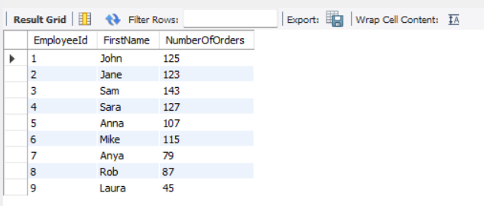

Assignment-2 | Get all the Orders shipped by Speedy Express and customers at berlin city.
 | User Table : Orders, Customers, Shippers

Creating Tables of Orders2, Customers and Shippers

Customer Table | CREATE TABLE Customer(
 | CustomerId VARCHAR(20) PRIMARY KEY,
 | CompanyName VARCHAR(50),
 | City VARCHAR(50)
 | );

Data Insertion | INSERT INTO Customer(CustomerId, CompanyName, City) VALUES
 | ('ALFKI','Alfreds Futterkiste','Berlin');

Shippers Table | CREATE TABLE Shippers(
 | ShipperId INT primary key,
 | CompanyName VARCHAR(100)
 | );

Data Insertion | INSERT INTO Shippers(ShipperId, CompanyName) VALUES (1, 'Speedy Express');

Orders2 Table | CREATE TABLE Orders2(
 | OrderId INT PRIMARY KEY,
 | EmployeeId INT,
 | CustomerId VARCHAR(5),
 | OrderDate DATE,
 | RequiredDate DATE,
 | ShippedDate DATE,
 | ShipVia INT,
 | Freight DECIMAL(10,2),
 | ShipName VARCHAR(100),
 | ShipAddress VARCHAR(100),
 | ShipCity VARCHAR(100),
 | FOREIGN KEY(CustomerId) REFERENCES Customer(CustomerId),
 | FOREIGN KEY(ShipVia) REFERENCES Shippers(ShipperId));

Data Insertion | INSERT INTO Orders2 ( OrderId,CustomerId,EmployeeId,OrderDate,RequiredDate,ShippedDate,ShipVia,Freight,ShipName,ShipAddress,ShipCity)
 | VALUES
 | (10453,'ALFKI',3,'1997-05-09','1997-05-11','1997-08-09',1,25.43,'Alfreds Futterkiste', 'Berg Street','Berlin'),
 | (10563,'ALFKI',7,'1997-06-09','1997-06-12','1997-06-10',1,27.96,'Alfreds Futterkiste', 'Berg Street','Berlin'),
 | (10497,'ALFKI',1,'1998-02-07','1998-05-11','1998-03-11',1,18.54,'Alfreds Futterkiste', 'Berg Street','Berlin'),
 | (10284,'ALFKI',5,'1998-05-09','1998-05-11','1998-08-09',1,15.00,'Alfreds Futterkiste', 'Berg Street','Berlin');

Query | select
 | O.OrderId,
 | O.CustomerId,
 | O.EmployeeId,
 | O.OrderDate,
 | O.RequiredDate,
 | O.ShippedDate,
 | O.ShipVia,
 | O.Freight,
 | O.ShipName,
 | O.ShipAddress,
 | O.ShipCity
 | FROM Orders2 O
 | INNER JOIN Customer C ON O.CustomerId = C.CustomerId
 | INNER JOIN Shippers S ON O.ShipVia = S.ShipperId
 | WHERE S.CompanyName = 'Speedy Express' AND C.City='Berlin';

Output

Assignment-3 | Get Supplier name and display count of product for which supplier is responsible.
 | Table Use : Products, Supplier
 | Use Left Outer Join

Suppliers Table | CREATE TABLE Suppliers(
 | SupplierId INT PRIMARY KEY,
 | SupplierName VARCHAR(255) NOT NULL
 | );

Data Insertion | INSERT INTO Suppliers(SupplierId,SupplierName) VALUES
 | (1, 'P&G'),
 | (2, 'Godrej'),
 | (3, 'Wipro'),
 | (4, 'Adobe'),
 | (5, 'H&P'),
 | (6, 'Oracle'),
 | (7, 'Cisco'),
 | (8, 'Morgan'),
 | (9, 'Acrisure'),
 | (10, 'PayPal');

Products1 Table | CREATE TABLE Products1 (
 | ProductId INT PRIMARY KEY,
 | SupplierId INT,
 | FOREIGN KEY (SupplierId) REFERENCES Suppliers(SupplierId)
 | );

Data Insertion | INSERT INTO Products1(ProductId, SupplierId) VALUES
 | (1,2),
 | (2,3),
 | (3,4), (4,4),
 | (5,5),(6,5),(7,5),
 | (8,6),(9,6),(10,6),(11,6),
 | (12,7),(13,7),
 | (14,8),
 | (15,9),(16,9),(17,9),(18,9),(19,9),
 | (20,10);

Query | SELECT COUNT(Products1.ProductId) AS ProductCount, Suppliers.SupplierName
 | FROM Suppliers
 | LEFT JOIN Products1 ON Suppliers.SupplierId=Products1.SupplierId
 | GROUP BY Suppliers.SupplierName;

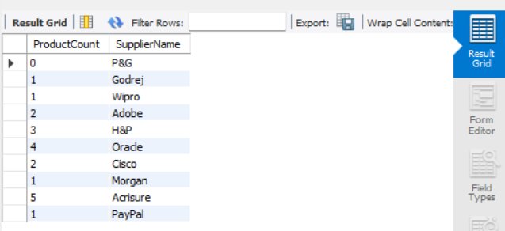
Output

Assignment-4 | Retrieve a list of employees and Name of the person that employee is reporting.
 | Display as follows.
 | Use Table : Employees
 | Self Join

Employees2 Table | CREATE TABLE Employees2(
 | EmployeeId INT PRIMARY KEY,
 | FirstName VARCHAR(100),
 | ReportsTo int
 | );

Data Insertion | INSERT INTO Employees2(EmployeeId, FirstName, ReportsTo)
 | VALUES
 | (1, 'John Doe',3),
 | (2, 'Jane Doe',3),
 | (3, 'Chris Evans',NULL),
 | (4, 'Amanda Black',3),
 | (5, 'Sara Smith',2),
 | (6, 'Sam Curran',1),
 | (7, 'Michael Sirus',2),
 | (8, 'Lauren Croft',3),
 | (9, 'Margie Benedict',2),
 | (10, 'Charles Leclerc',NULL);

Query | SELECT E1.FirstName AS Employee_Name, E2.FirstName AS BossName
 | FROM Employees2 E1
 | JOIN Employees2 E2 ON E1.ReportsTo = E2.EmployeeId;

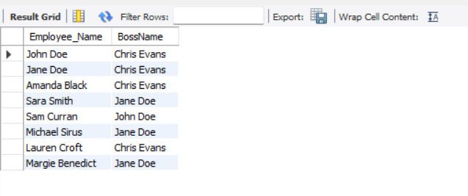
Output

